Stats
Triple exponential smoothing best worked parameters

city | alpha | beta | gamma | phi | error (MAE) | MAPE | R2 score | Future trend type | Forecasted trend type
Delhi | 0.3 | 0.6 | 0.4 | 0.1 | 14.45 | 0.09 | -1.40 | Increase | decrease
Mumbai | 0.2 | 0.9 | 0.6 | 0.1 | 13.09 | 0.12 | 0.29 | decrease | decrease
Chennai | 0.2 | 0.6 | 0.2 | 0.1 | 35.32 | 0.35 | -0.18 | Increase | increase
Hyderabad | 0.1 | 0.1 | 0.3 | 0.1 | 19.58 | 0.13 | -0.38 | Increase | constant
Kolkata | 0.3 | 0.7 | 0.1 | 0.1 | 34.57 | 0.28 | 0.04 | Increase | constant

Forecasting Error (MAE)
 |  |  |  |  |  |  |  |  | Test of stationarity on the dataset (Augmented Dickey-Fuller Test)

 |  |  |  |  |  |  |  |  | Dataset | Score | Is stationary
 |  |  |  |  |  |  |  |  | Delhi | 5.6151995925E-06 | YES
 |  |  |  |  |  |  |  |  | Mumbai | 0.011093 | YES
 |  |  |  |  |  |  |  |  | Chennai | 0.000128 | YES
 |  |  |  |  |  |  |  |  | Hyderabad | 0.0022024 | YES
 |  |  |  |  |  |  |  |  | Kolkata | 0.0113008 | YES

Analysis of stationarity
Delhi Dataset |  |  |  |  |  |  | mumbai dataset
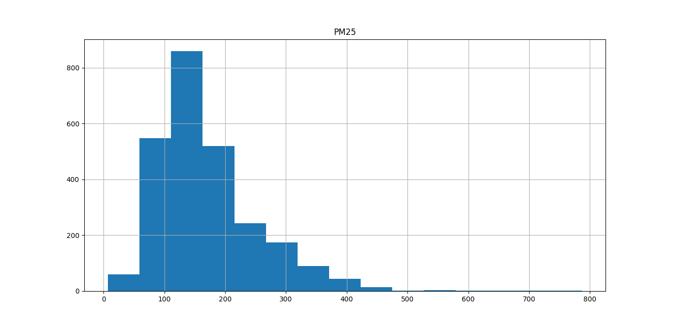
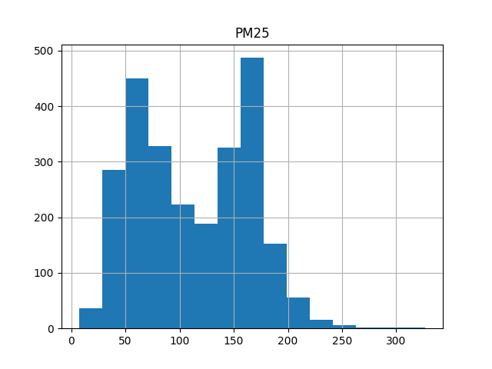

Chennai dataset |  |  |  |  |  |  | hyderabad dataset
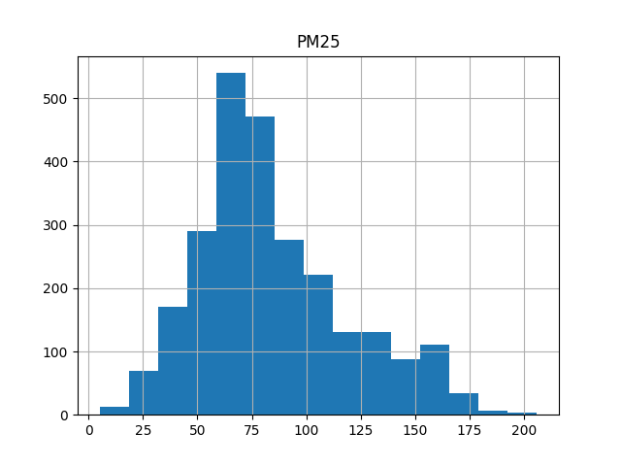
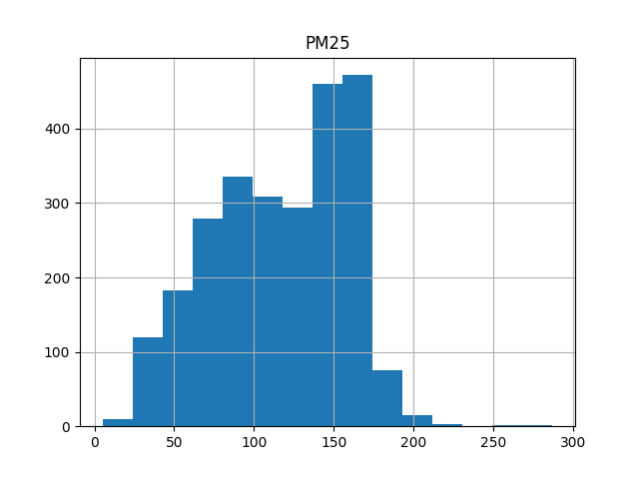

 |  |  |  |  | Kolkata dataset
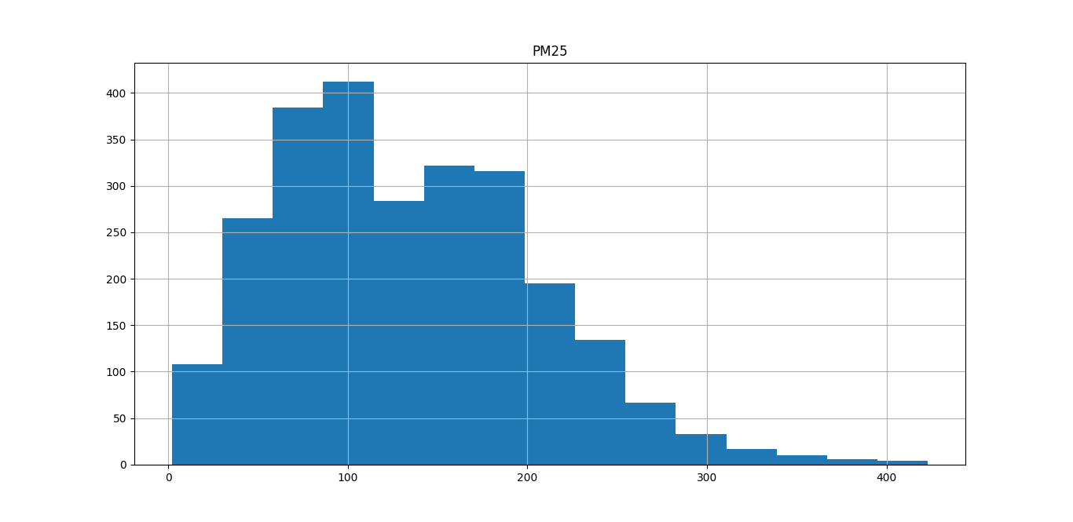

Analysis of the mean of the dataset values
We take 4 portions of dataset 25%, 50%, 75%, and 100% to check whether the mean remains almost constant throughtout the portions

Dataset | mean |  |  |  |  | Mean Difference
 | 25% | 50% | 75% | 100% | last 30 obsrv
Delhi | 164.29 | 176.99 | 174.02 | 169.51 | 160.23 | 9.28
Mumbai | 109.29 | 119.76 | 118.40 | 112.24 | 109.16 | 3.08
Chennai | 87.59 | 90.90 | 86.34 | 84.26 | 127.86 | 43.60
Hyderabad | 122.18 | 129.86 | 122.48 | 116.09 | 157.60 | 41.51
Kolkata | 127.77 | 140.81 | 140.21 | 133.70 | 205.00 | 71.30

delhi tes
Triple Exponential Smoothing on Delhi dataset
Date | Original | Forecasted | Difference
2022-03-20 | 155.00 | 178.80 | 344.64
2022-03-21 | 186.00 | 178.50 | 333.67
2022-03-22 | 154.00 | 177.34 | 292.77
2022-03-23 | 159.00 | 163.57 | 11.13
2022-03-24 | 151.00 | 177.05 | 282.84
2022-03-25 | 151.00 | 184.54 | 591.05
2022-03-26 | 158.00 | 168.66 | 71.02
2022-03-27 | 148.00 | 174.99 | 217.73
2022-03-28 | 150.00 | 174.69 | 209.03
2022-03-29 | 155.00 | 173.53 | 176.93
2022-03-30 | 163.00 | 159.76 | 0.22
2022-03-31 | 189.00 | 173.24 | 169.23
2022-04-01 | 140.00 | 180.74 | 420.35
2022-04-02 | 163.00 | 164.85 | 21.33
2022-04-03 | 153.00 | 171.18 | 119.83
2022-04-04 | 169.00 | 170.88 | 113.40
2022-04-05 | 163.00 | 169.73 | 90.11
2022-04-06 | 167.00 | 155.95 | 18.33
2022-04-07 | 181.00 | 169.43 | 84.64
2022-04-08 | 152.00 | 176.93 | 278.68
2022-04-09 | 154.00 | 161.04 | 0.66
2022-04-10 | 165.00 | 167.37 | 50.95
2022-04-11 | 163.00 | 167.07 | 46.79
2022-04-12 | 151.00 | 165.92 | 32.31
2022-04-13 | 164.00 | 152.14 | 65.46
2022-04-14 | 152.00 | 165.62 | 29.06
2022-04-15 | 148.00 | 173.12 | 166.02
2022-04-16 | 161.00 | 157.23 | 9.00
2022-04-17 | 169.00 | 163.56 | 11.08
2022-04-18 | 173.00 | 163.26 | 9.19

mumbai tes
Triple Exponential Smoothing on Mumbai dataset
Date | Original | Forecasted | Difference
2022-03-17 | 150.00 | 144.44 | 1243.95
2022-03-18 | 146.00 | 134.47 | 640.29
2022-03-19 | 100.00 | 116.88 | 59.55
2022-03-20 | 94.00 | 119.45 | 105.73
2022-03-21 | 126.00 | 124.23 | 226.95
2022-03-22 | 137.00 | 138.90 | 883.78
2022-03-23 | 131.00 | 129.95 | 432.00
2022-03-24 | 146.00 | 131.46 | 497.08
2022-03-25 | 96.00 | 121.50 | 152.02
2022-03-26 | 88.00 | 103.91 | 27.64
2022-03-27 | 92.00 | 106.47 | 7.25
2022-03-28 | 102.00 | 111.26 | 4.37
2022-03-29 | 114.00 | 125.92 | 280.70
2022-03-30 | 103.00 | 116.98 | 61.00
2022-03-31 | 106.00 | 118.49 | 86.87
2022-04-01 | 155.00 | 108.52 | 0.42
2022-04-02 | 144.00 | 90.93 | 332.41
2022-04-03 | 126.00 | 93.50 | 245.44
2022-04-04 | 110.00 | 98.28 | 118.47
2022-04-05 | 105.00 | 112.95 | 14.28
2022-04-06 | 105.00 | 104.00 | 26.67
2022-04-07 | 108.00 | 105.51 | 13.35
2022-04-08 | 110.00 | 95.55 | 185.49
2022-04-09 | 77.00 | 77.96 | 973.86
2022-04-10 | 73.00 | 80.53 | 820.31
2022-04-11 | 79.00 | 85.31 | 569.24
2022-04-12 | 101.00 | 99.97 | 84.55
2022-04-13 | 96.00 | 91.03 | 329.03
2022-04-14 | 81.00 | 92.54 | 276.50
2022-04-15 | 74.00 | 82.57 | 707.25
 | Variance | 313.40016846

chennai tes
Triple Exponential Smoothing Forecast on Chennai dataset
date | PM25 | Forecasted | Difference
2021-12-02 | 127.00 | 92.69 | 1237.59
2021-12-03 | 138.00 | 82.51 | 2056.96
2021-12-04 | 153.00 | 71.92 | 3129.49
2021-12-05 | 157.00 | 61.31 | 4429.85
2021-12-06 | 138.00 | 85.06 | 1832.83
2021-12-07 | 139.00 | 91.23 | 1342.32
2021-12-08 | 77.00 | 107.60 | 410.91
2021-12-09 | 51.00 | 92.73 | 1234.36
2021-12-10 | 61.00 | 82.52 | 2056.54
2021-12-11 | 62.00 | 71.93 | 3129.43
2021-12-12 | 54.00 | 61.31 | 4429.84
2021-12-13 | 79.00 | 85.06 | 1832.82
2021-12-14 | 97.00 | 91.23 | 1342.32
2021-12-15 | 139.00 | 107.60 | 410.91
2021-12-16 | 164.00 | 92.73 | 1234.36
2021-12-17 | 167.00 | 82.52 | 2056.54
2021-12-18 | 165.00 | 71.93 | 3129.43
2021-12-19 | 151.00 | 61.31 | 4429.84
2021-12-20 | 170.00 | 85.06 | 1832.82
2021-12-21 | 173.00 | 91.23 | 1342.32
2021-12-22 | 173.00 | 107.60 | 410.91
2021-12-23 | 167.00 | 92.73 | 1234.36
2021-12-24 | 143.00 | 82.52 | 2056.54
2021-12-25 | 133.00 | 71.93 | 3129.43
2021-12-26 | 138.00 | 61.31 | 4429.84
2021-12-27 | 127.00 | 85.06 | 1832.82
2021-12-28 | 143.00 | 91.23 | 1342.32
2021-12-29 | 122.00 | 107.60 | 410.91
2021-12-30 | 107.00 | 92.73 | 1234.36
2021-12-31 | 121.00 | 82.52 | 2056.54

 |  | 181.81457498

hyderabad tes
Triple Exponential Smoothing on Hyderabad dataset
date | Original | Forecasted | Difference
2021-12-02 | 165.00 | 147.84 | 95.19
2021-12-03 | 169.00 | 140.19 | 303.01
2021-12-04 | 169.00 | 123.51 | 1162.29
2021-12-05 | 159.00 | 127.71 | 893.69
2021-12-06 | 128.00 | 131.99 | 655.97
2021-12-07 | 120.00 | 133.74 | 569.20
2021-12-08 | 145.00 | 129.90 | 767.44
2021-12-09 | 133.00 | 147.85 | 95.10
2021-12-10 | 103.00 | 140.19 | 302.99
2021-12-11 | 133.00 | 123.51 | 1162.29
2021-12-12 | 153.00 | 127.71 | 893.69
2021-12-13 | 151.00 | 131.99 | 655.97
2021-12-14 | 163.00 | 133.74 | 569.20
2021-12-15 | 171.00 | 129.90 | 767.44
2021-12-16 | 165.00 | 147.85 | 95.10
2021-12-17 | 164.00 | 140.19 | 302.99
2021-12-18 | 162.00 | 123.51 | 1162.29
2021-12-19 | 176.00 | 127.71 | 893.69
2021-12-20 | 175.00 | 131.99 | 655.97
2021-12-21 | 171.00 | 133.74 | 569.20
2021-12-22 | 186.00 | 129.90 | 767.44
2021-12-23 | 189.00 | 147.85 | 95.10
2021-12-24 | 185.00 | 140.19 | 302.99
2021-12-25 | 186.00 | 123.51 | 1162.29
2021-12-26 | 177.00 | 127.71 | 893.69
2021-12-27 | 163.00 | 131.99 | 655.97
2021-12-28 | 145.00 | 133.74 | 569.20
2021-12-29 | 136.00 | 129.90 | 767.44
2021-12-30 | 137.00 | 147.85 | 95.10
2021-12-31 | 149.00 | 140.19 | 302.99

kolkata tes
Triple Exponential Smoothing on Kolkata dataset
date | Original | Forecasted | Difference
2021-12-02 | 245.00 | 186.73 | 298.09
2021-12-03 | 111.00 | 192.11 | 141.29
2021-12-04 | 195.00 | 197.58 | 41.25
2021-12-05 | 123.00 | 189.15 | 220.48
2021-12-06 | 48.00 | 188.69 | 234.27
2021-12-07 | 105.00 | 182.01 | 483.67
2021-12-08 | 158.00 | 181.70 | 497.25
2021-12-09 | 160.00 | 186.72 | 298.67
2021-12-10 | 175.00 | 192.11 | 141.33
2021-12-11 | 215.00 | 197.58 | 41.25
2021-12-12 | 200.00 | 189.15 | 220.48
2021-12-13 | 221.00 | 188.69 | 234.27
2021-12-14 | 242.00 | 182.01 | 483.67
2021-12-15 | 321.00 | 181.70 | 497.25
2021-12-16 | 256.00 | 186.72 | 298.67
2021-12-17 | 214.00 | 192.11 | 141.33
2021-12-18 | 219.00 | 197.58 | 41.25
2021-12-19 | 188.00 | 189.15 | 220.48
2021-12-20 | 192.00 | 188.69 | 234.27
2021-12-21 | 223.00 | 182.01 | 483.67
2021-12-22 | 225.00 | 181.70 | 497.25
2021-12-23 | 265.00 | 186.72 | 298.67
2021-12-24 | 273.00 | 192.11 | 141.33
2021-12-25 | 237.00 | 197.58 | 41.25
2021-12-26 | 245.00 | 189.15 | 220.48
2021-12-27 | 234.00 | 188.69 | 234.27
2021-12-28 | 228.00 | 182.01 | 483.67
2021-12-29 | 223.00 | 181.70 | 497.25
2021-12-30 | 217.00 | 186.72 | 298.67
2021-12-31 | 192.00 | 192.11 | 141.33

 |  | 25.514297588

